Histórico Deliquency
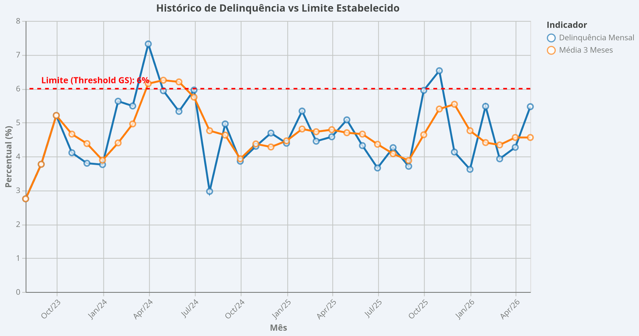
mes | delinquency_mensal_pct | media_3m_pct | threshold_gs | flag_mensal | flag_media_3m
31/07/2023 | 2.75 | 2.75 | 6 | OK | OK
31/08/2023 | 3.77 | 3.77 | 6 | OK | OK
30/09/2023 | 5.21 | 5.21 | 6 | OK | OK
31/10/2023 | 4.11 | 4.66 | 6 | OK | OK
30/11/2023 | 3.8 | 4.38 | 6 | OK | OK
31/12/2023 | 3.76 | 3.89 | 6 | OK | OK
31/01/2024 | 5.63 | 4.4 | 6 | OK | OK
29/02/2024 | 5.49 | 4.96 | 6 | OK | OK
31/03/2024 | 7.32 | 6.15 | 6 | ALERTA | ALERTA
30/04/2024 | 5.94 | 6.25 | 6 | OK | ALERTA
31/05/2024 | 5.33 | 6.2 | 6 | OK | ALERTA
30/06/2024 | 5.96 | 5.75 | 6 | OK | OK
31/07/2024 | 2.97 | 4.76 | 6 | OK | OK
31/08/2024 | 4.96 | 4.63 | 6 | OK | OK
30/09/2024 | 3.86 | 3.93 | 6 | OK | OK
31/10/2024 | 4.3 | 4.37 | 6 | OK | OK
30/11/2024 | 4.69 | 4.28 | 6 | OK | OK
31/12/2024 | 4.39 | 4.46 | 6 | OK | OK
31/01/2025 | 5.34 | 4.81 | 6 | OK | OK
28/02/2025 | 4.45 | 4.73 | 6 | OK | OK
31/03/2025 | 4.58 | 4.79 | 6 | OK | OK
30/04/2025 | 5.08 | 4.7 | 6 | OK | OK
31/05/2025 | 4.32 | 4.66 | 6 | OK | OK
30/06/2025 | 3.66 | 4.36 | 6 | OK | OK
31/07/2025 | 4.26 | 4.08 | 6 | OK | OK
31/08/2025 | 3.71 | 3.88 | 6 | OK | OK
30/09/2025 | 5.95 | 4.64 | 6 | OK | OK
31/10/2025 | 6.53 | 5.4 | 6 | ALERTA | OK
30/11/2025 | 4.13 | 5.54 | 6 | OK | OK
31/12/2025 | 3.62 | 4.76 | 6 | OK | OK
31/01/2026 | 5.48 | 4.41 | 6 | OK | OK
28/02/2026 | 3.93 | 4.34 | 6 | OK | OK
31/03/2026 | 4.27 | 4.56 | 6 | OK | OK
30/04/2026 | 5.47 | 4.56 | 6 | OK | OK

